Rebalancing Strategy | XgBoost
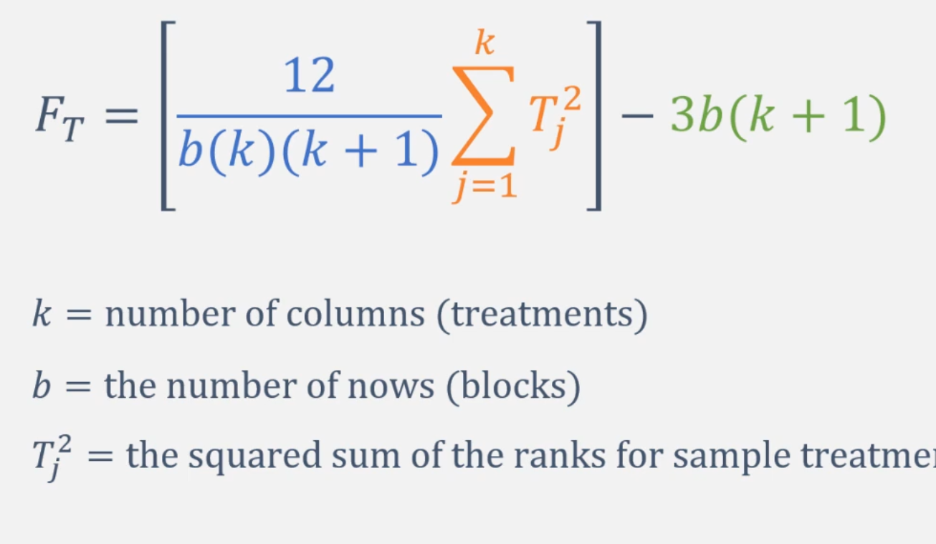
# | Dataset | No Rebalancing (F1) | SMOTE (F1) | Under (F1) | 5050 (F1) | No Rebalancing (Rank) | SMOTE (Rank) | Under (Rank) | 5050 (Rank) | Blocks (b) | 30
1 | Data Processing | 0.731183 | 0.736364 | 0.353741 | 0.766667 | 2 | 3 | 1 | 4 | Treatments (k) | 4
2 | Data Processing | 0.729064 | 0.730435 | 0.321593 | 0.796537 | 2 | 3 | 1 | 4
3 | Data Processing | 0.764398 | 0.746411 | 0.373057 | 0.715596 | 4 | 3 | 1 | 2 | Part 1 | 0.02
4 | Data Processing | 0.771574 | 0.807339 | 0.378092 | 0.798319 | 2 | 4 | 1 | 3
5 | Data Processing | 0.723618 | 0.75 | 0.345178 | 0.793249 | 2 | 3 | 1 | 4 | Part 2
6 | Data Processing | 0.738462 | 0.693467 | 0.323988 | 0.80531 | 3 | 2 | 1 | 4
7 | Data Processing | 0.72043 | 0.747664 | 0.353333 | 0.755187 | 2 | 3 | 1 | 4 | Sum (None) Rank ^2 | 7310.25
8 | Data Processing | 0.803828 | 0.663415 | 0.380597 | 0.73251 | 4 | 2 | 1 | 3 | Sum (SMOTE) Rank ^2 | 8930.25
9 | Data Processing | 0.721649 | 0.75122 | 0.34202 | 0.752 | 2 | 3 | 1 | 4 | Sum (Under) Rank ^2 | 900
10 | Data Processing | 0.727273 | 0.753623 | 0.340289 | 0.761506 | 2 | 3 | 1 | 4 | Sum (None) Rank ^2 | 8100
11 | Deal Service | 0.629921 | 0.696774 | 0.144473 | 0.624339 | 3 | 4 | 1 | 2
12 | Deal Service | 0.661765 | 0.695122 | 0.143972 | 0.662722 | 2 | 4 | 1 | 3 | Sum of squares | 25240.5
13 | Deal Service | 0.680851 | 0.647059 | 0.132662 | 0.680412 | 4 | 2 | 1 | 3
14 | Deal Service | 0.646154 | 0.707317 | 0.164103 | 0.656085 | 2 | 4 | 1 | 3 | Part 3 | 450
15 | Deal Service | 0.712329 | 0.666667 | 0.121752 | 0.695187 | 4 | 2 | 1 | 3
16 | Deal Service | 0.690647 | 0.654762 | 0.148624 | 0.677419 | 4 | 2 | 1 | 3 | alpha | 0.05
17 | Deal Service | 0.637681 | 0.670886 | 0.142214 | 0.687179 | 2 | 3 | 1 | 4
18 | Deal Service | 0.681159 | 0.705882 | 0.126783 | 0.656085 | 3 | 4 | 1 | 2 | F(t) | 54.81
19 | Deal Service | 0.725926 | 0.708075 | 0.131886 | 0.68 | 4 | 3 | 1 | 2
20 | Deal Service | 0.699301 | 0.77193 | 0.165657 | 0.695652 | 3 | 4 | 1 | 2 | Critical Value | 7.8147279033
21 | MxShop | 0.714286 | 0.645161 | 0.055556 | 0.666667 | 4 | 2 | 1 | 3 | chi-square
22 | MxShop | 0.583333 | 0.666667 | 0.079602 | 0.578947 | 3 | 4 | 1 | 2
23 | MxShop | 0.666667 | 0.666667 | 0.085791 | 0.55 | 3.5 | 3.5 | 1 | 2 | p-value | 7.5378423543E-12
24 | MxShop | 0.56 | 0.769231 | 0.052067 | 0.594595 | 2 | 4 | 1 | 3
25 | MxShop | 0.551724 | 0.823529 | 0.05102 | 0.685714 | 2 | 4 | 1 | 3
26 | MxShop | 0.48 | 0.592593 | 0.055556 | 0.625 | 2 | 3 | 1 | 4
27 | MxShop | 0.733333 | 0.833333 | 0.075377 | 0.685714 | 3 | 4 | 1 | 2
28 | MxShop | 0.642857 | 0.789474 | 0.06422 | 0.648649 | 2 | 4 | 1 | 3
29 | MxShop | 0.8125 | 0.75 | 0.053125 | 0.666667 | 4 | 3 | 1 | 2
30 | MxShop | 0.62069 | 0.5625 | 0.035941 | 0.615385 | 4 | 2 | 1 | 3
 |  |  |  |  |  | 85.5 | 94.5 | 30 | 90

 |  |  |  |  |  | Min sum of ranks | 15
 |  |  |  |  |  | Max sum of ranks | 60
 |  |  |  |  |  | Sum of all ranks | 300
 |  |  |  |  |  | Expected sum, H0 | 75

